Champion Take-All Offer
Champion Apparel Blanks - Take-All Offer
First quality, new with tags - full color and size grids in the accompanying catalogue
Flat blended price across the block - one price, every unit, take-all only

SKU | Product | Units | Photo | Est. Retail Price/Unit | Est. Retail Value
CS2071 | Champion Eco Powerblend Hood | 4,651 | 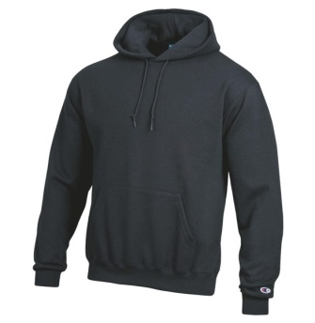 | $45.00 | $209,295.00
CS1220 | Champion Eco Powerblend Crew | 10,520 | 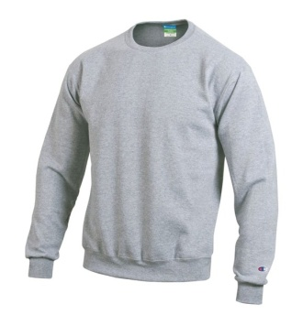 | $32.00 | $336,640.00
CS2083 | Champion 1/4 Zip | 540 | 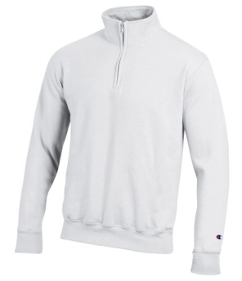 | $32.00 | $17,280.00
CT1730 | Champion Long Sleeve Tee | 5,262 | 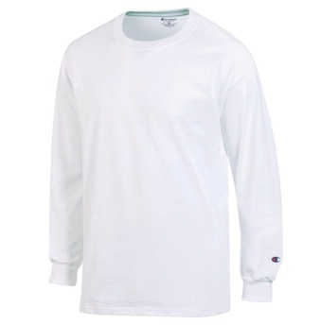 | $21.00 | $110,502.00
CT1000 | Champion Short Sleeve Tee | 7,008 | 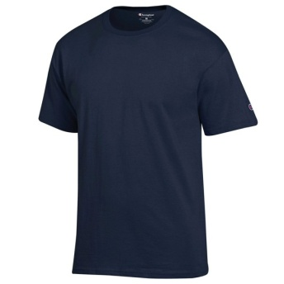 | $16.00 | $112,128.00
CH100M | Champion Men's Garment-Wash Twill Hat | 2,070 | 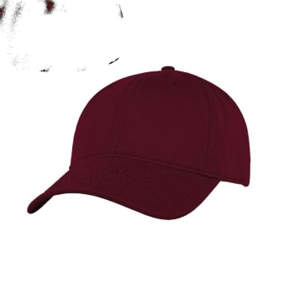 | $20.00 | $41,400.00
CD100 | Champion Garment-Dyed Short Sleeve Tee | 26 | 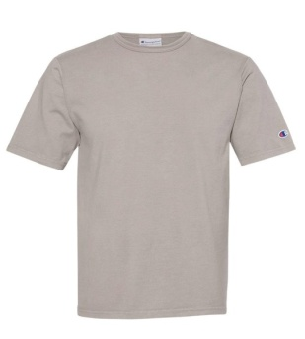 | $22.99 | $597.74
CD200 | Champion Garment-Dyed Long Sleeve Tee | 4 | 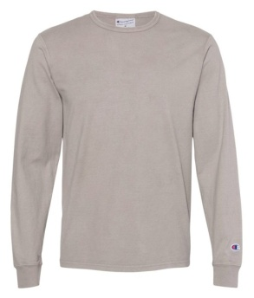 | $27.00 | $108.00
TOTAL |  | 30,081 |  |  | $827,950.74

Take-All Pricing (all units, one price)
Option | Terms |  | Price / Unit | Lot Total

Take-all only - the flat unit price applies to the complete block, all SKUs and sizes.

Note: Prices in column F are estimated current retail figures researched from public sources (blank/undecorated versions where available); see cell comments in column F for sources per SKU. These are not wholesale, liquidation, or take-all lot pricing.

Manifest
Manifest - Color / Size Breakdown
Quantities by color and size for every SKU in the take-all block

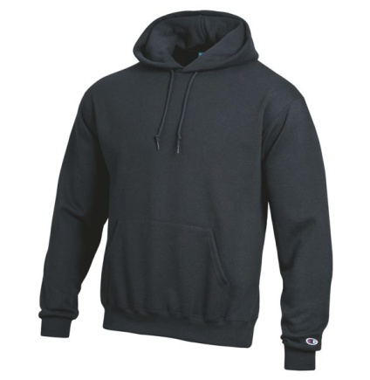
CS2071 - Eco Powerblend Hood
50% Cotton / 50% Polyester
Color | XS | S | M | L | XL | XXL | Total
Black | 17 |  |  |  |  |  | 17
Cardinal | 109 | 98 | 349 | 679 | 215 | 117 | 1,567
Gold |  | 8 | 160 | 301 | 56 |  | 525
Granite | 170 | 135 |  |  |  | 67 | 372
Maroon | 235 |  |  | 91 | 20 | 36 | 382
Navy | 45 | 50 |  | 22 |  | 20 | 137
Oatmeal |  |  |  |  | 230 |  | 230
Purple | 114 |  |  |  |  |  | 114
Royal | 25 | 48 | 144 | 86 | 158 | 176 | 637
Scarlet |  |  | 197 |  |  |  | 197
White |  | 135 | 133 | 205 |  |  | 473
Total | 715 | 474 | 983 | 1,384 | 679 | 416 | 4,651


CS1220 - Eco Powerblend Crew
50% Cotton / 50% Polyester
Color | XS | S | M | L | XL | XXL | Total
Black | 450 | 531 | 163 |  |  | 45 | 1,189
Cardinal | 18 | 146 | 23 |  |  | 14 | 201
Dark Green | 156 | 425 |  |  |  | 197 | 778
Gold | 254 | 428 | 280 | 311 | 123 | 142 | 1,538
Heather Grey | 402 | 445 | 459 |  |  | 164 | 1,470
Maroon | 6 | 393 | 27 | 17 |  | 143 | 586
Navy | 412 | 218 | 1,005 | 989 |  |  | 2,624
Purple | 62 | 242 |  |  |  | 45 | 349
Royal | 88 | 216 | 161 | 50 | 7 |  | 522
Scarlet | 72 | 129 | 310 | 434 | 95 | 62 | 1,102
White |  |  |  |  | 39 | 122 | 161
Total | 1,920 | 3,173 | 2,428 | 1,801 | 264 | 934 | 10,520

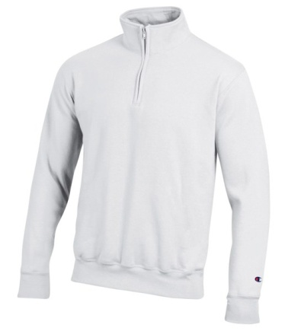
CS2083 - 1/4 Zip
50% Cotton / 50% Polyester
Color | XS | S | M | L | XL | XXL | Total
Black |  |  | 19 | 9 |  |  | 28
Granite | 88 |  |  |  | 13 | 27 | 128
Navy | 45 | 1 |  | 95 | 39 | 36 | 216
Oxford | 55 | 2 |  | 9 |  | 50 | 116
White | 39 |  | 7 |  | 6 |  | 52
Total | 227 | 3 | 26 | 113 | 58 | 113 | 540

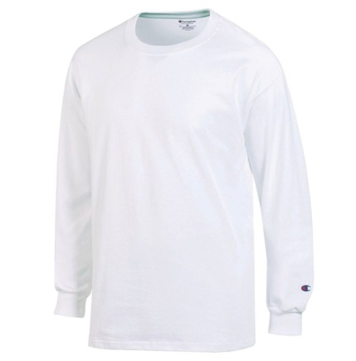
CT1730 - Long Sleeve Tee
100% Cotton
Color | S | M | L | XL | XXL | Total
Black | 67 | 5 |  |  |  | 72
Dark Green | 161 | 8 |  |  | 30 | 199
Golden | 260 | 252 | 210 | 147 | 67 | 936
Maroon | 396 | 453 | 328 | 223 | 308 | 1,708
Navy | 139 | 225 | 202 | 32 |  | 598
Oxford | 82 | 40 |  |  |  | 122
Scarlet | 396 | 68 |  | 56 | 95 | 615
White | 154 | 284 | 152 | 266 | 156 | 1,012
Total | 1,655 | 1,335 | 892 | 724 | 656 | 5,262


CT1000 - Short Sleeve Tee
100% Cotton
Color | S | M | L | XL | XXL | Total
Black | 350 | 100 |  |  | 177 | 627
Dark Green | 245 |  |  |  | 76 | 321
Gold |  | 50 | 228 | 421 | 231 | 930
Granite | 168 | 52 |  | 357 | 129 | 706
Maroon | 369 |  |  | 231 | 97 | 697
Navy | 427 | 1 |  | 248 | 94 | 770
Oxford | 89 |  |  | 208 | 122 | 419
Scarlet | 749 | 731 | 474 | 382 | 160 | 2,496
White |  |  | 42 |  |  | 42
Total | 2,397 | 934 | 744 | 1,847 | 1,086 | 7,008


CH100M - Men's Garment-Wash Twill Adjustable Hat
100% Cotton Twill
Color | One Size | Total
Cardinal | 539 | 539
Gold | 531 | 531
Grey | 517 | 517
White | 483 | 483
Total | 2,070 | 2,070


CD100 - Garment-Dyed Short Sleeve Tee
100% Cotton
Color | S | M | XL | Total
Granite | 16 | 7 | 3 | 26
Total | 16 | 7 | 3 | 26

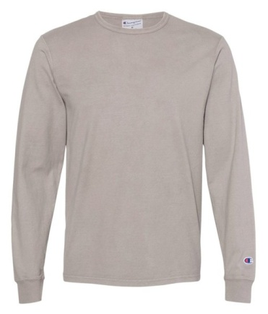
CD200 - Garment-Dyed Long Sleeve Tee
100% Cotton
Color | M | Total
Concrete | 4 | 4
Total | 4 | 4

